Nutrition STOF2
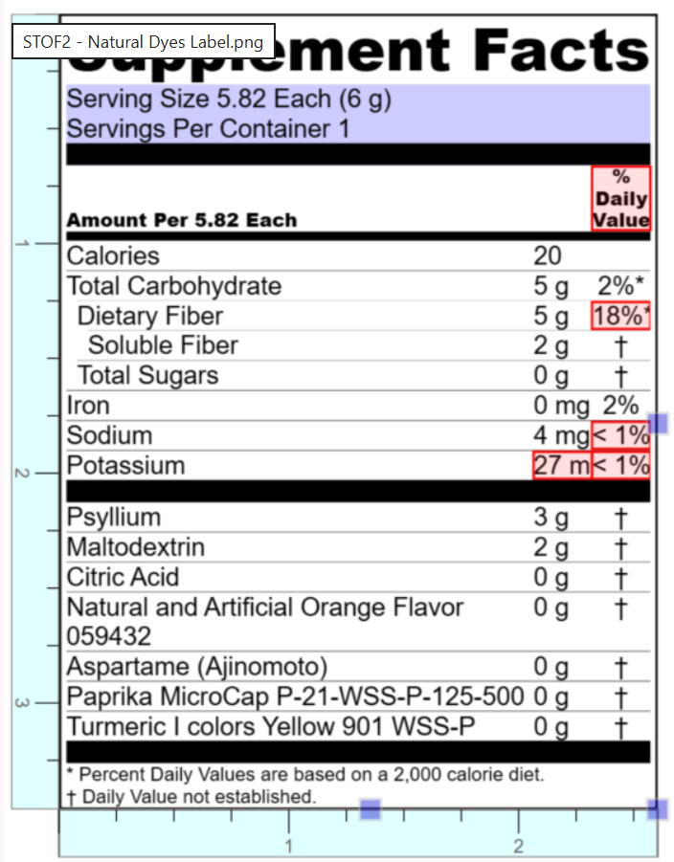
edit yellow/orange cells
Formulation | STOF2 |  | Formulation STOF2 |  |  | 11.6 | grams | single dose
Smooth Texture Sugar Free Orange Natural Dyes |  |  | 1g =0.00220462lb | 1g =0.035274oz |  | 11.6492 g/serving | grams | double dose

Calorie Rules | B | 43.076065859 | Calories | Per 21 CFR 101.9 (c) (1) (i): part (B) | Total Calories [Per 21 CFR 101.9 (c) (1) (i): part (B) – not using Total Fiber value] = (4 x Protein) + (4 x Total Carbohydrate) + (9 x Total Fat)
 | C | 32.198593203 | Calories | Per 21 CFR 101.9 (c) (1) (i): part (C) | Total Calories [Per 21 CFR 101.9 (c) (1) (i): part (C) – do NOT have Soluble/Insoluble Fiber values, only Total Fiber] = (4 x Protein) + (9 x Total Fat) + [4 x (Total Carbohydrate – Total Fiber)] + [2 x Total Fiber]
 | C+ | 30.470830507 | Calories | Per 21 CFR 101.9 (c) (1) (i): part (C) | Total Calories [Per 21 CFR 101.9 (c) (1) (i): part (C) – have Soluble/Insoluble Fiber values] = (4 x Protein) + (9 x Total Fat) + [4 x (Total Carbohydrate – Total Fiber)] + [2 x Soluble Fiber]

Class II - NLT 80% of Label |  | Total carbohydrate | Total dietary fiber | Soluble fiber
 | Totals | 10.37 g | 5.44 g | 4.57 g
 | RDI | 275.00 | 28.00 | NA
 | %RDI | 3.77% | 19.42% | NA
 |  | < 0.5g - express as 0 < 1g - express as "contains less than 1g" or "less than 1g" ≥1g - express to nearest 1g increment Insignificant amount is < 1g | < 0.5g - express as 0 < 1g - express as "contains less than 1g" or "less than 1g" ≥1g - express to nearest 1g increment Insignificant amount is < 1g | - Label value based on calculation of psyllium being 70% soluble fiber (3.4g psyllium * 0.70 = 2.4g) < 0.5g - express as 0 < 1g - express as "contains less than 1g" or "less than 1g" ≥1g - express to nearest 1g increment Insignificant amount is < 0.5g
 | Reco. | 5g | 3g | 2g

Class II - NLT 80% of Label |  | Iron [Mandatory] | Potassium [Mandatory] | Calcium [Mandatory]
 | Totals | 0.52 mg | 55.01 mg | 11.75 mg
 | RDI | 18.00 | 4700.00 | 1300.00
 | %RDI | 2.91% | 1.17% | 0.90%
 |  | <2% DV: shall not be declared > 2% DV: round to nearest 0.1 mg and round to nearest % DV | <2% DV: shall not be declared > 2% DV: round to nearest 10 mg and round to nearest % DV | <2% DV: shall not be declared > 2% DV: round to nearest 10 mg and round to nearest % DV |  | 94 | 72
 | Reco. | 2% DV | 30 mg | 0 or "Contains less than 2% daily value of this nutrient."

Class II - NLT 80% of Label |  | Vitamin A [Voluntary] | Vitamin C [Voluntary] | Vitamin D [Mandatory] | Protein
 | Totals | 0.75 IU | 0.00 µg | 0.00 µg | 0.23 g
 | RDI | 900 mcg RAE | 90.00 | 20 microgram | NA
 | %RDI | NA | NA | 0.00% | NA
 |  | <2% DV: shall not be declared > 2% DV: round to nearest 10 mcg RAE and round to nearest % DV | <2% DV: shall not be declared > 2% DV: round to nearest 1 mg and round to nearest % DV | <2% DV: shall not be declared > 2% DV: round to nearest 0.1 mcg and round to nearest % DV | < 0.5g - express as 0 < 1g - express as "contains less than 1g" or "less than 1g" ≥1g - express to nearest 1g increment Insignificant amount is < 0.5g
 | Reco. | 4 IU | none | 0 | 0g

Third Group - NMT 120% of Label |  | Total Fat | Saturated Fat | Trans Fat | Cholesterol
 | Totals | 0.07 g | 0.01 g | 0.00 g | 0.00 g
 | RDI | 78.00 | 20.00 | NA | 300 mg
 | %RDI | NA | NA | NA | NA
 |  | < 0.5g - express as 0 < 5 g - nearest 0.5 g increment > 5 g: nearest 1 g increment | < 0.5g - express as 0 < 5 g - nearest 0.5 g increment > 5 g: nearest 1 g increment | < 0.5g - express as 0 < 5 g - nearest 0.5 g increment > 5 g: nearest 1 g increment | < 2mg: express as 0 2-5 mg: "less than 5 mg" > 5 mg: 5 mg increment
 | Reco.

Third Group - NMT 120% of Label |  | Calories (US Rules) | Calories from Fat | Sugar | Added Sugars | Sodium
 | Totals | 30.3 kCal | 0.4 kCal | 0.16 g | 0.02 g | 10.56 mg
 |  | NA | NA | NA | 50.00 | 2300.00
 | %RDI | NA | NA | NA | 0.03% | 0.46%
 |  | < 5 cal - express as 0 ≤ 50 cal - express to nearest 5 cal increment > 50 cal - express to nearest 10 cal increment Insignificant amount is < 5 cal | Not required to be declared | < 0.5g - express as 0 < 1g - express as "contains less than 1g" or "less than 1g" ≥1g - express to nearest 1g increment Insignificant amount is < 0.5g | < 0.5g - express as 0 < 1g - express as "contains less than 1g" or "less than 1g" ≥1g - express to nearest 1g increment Insignificant amount is < 0.5g | < 5mg - express as 0 5-140mg - express to nearest 5mg increment > 140mg - express to nearest 10mg increment Insignificant amount is < 5mg
 | Reco. | 15kCal | 0 | 0.00 | 0 | 5mg

